Read First
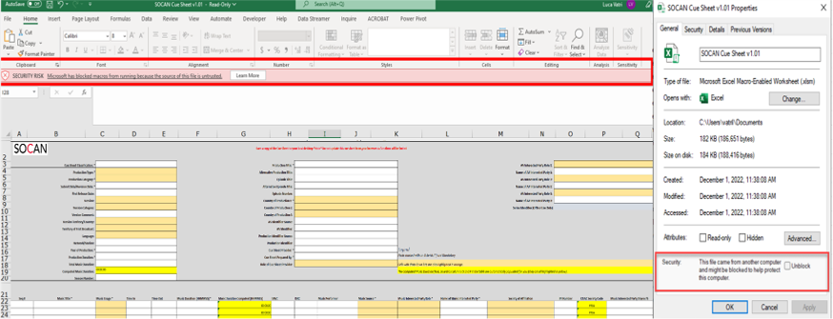
Instructions
Use Microsoft Excel, on either Windows or macOS to use this Cue Sheet (do not try to complete it using a browser). If you are a screen reader user, use NVDA or JAWS on Windows for the most accessible experience. Here's how:
1 of 4. This workbook has two other worksheets other than this Read First worksheet: the Cue Sheet worksheet where you do all data entry, followed by further guidance in the Cue Sheet Standards And Rules worksheet.
2 of 4. If, in Windows, you get the message "Security Risk: Microsoft has blocked macros from running because the source file is untrusted", go to Windows Explorer, locate this file, right-click of the file, choose Properties, and then check the Unblock checkbox on the General tab.
3 of 4. In the Cue Sheet worksheet, complete all relevant input fields. Mandatory fields are indicated with an asterisk (*).
4 of 4. Save the file: you are done.
End of worksheet

