T22D.1 Report
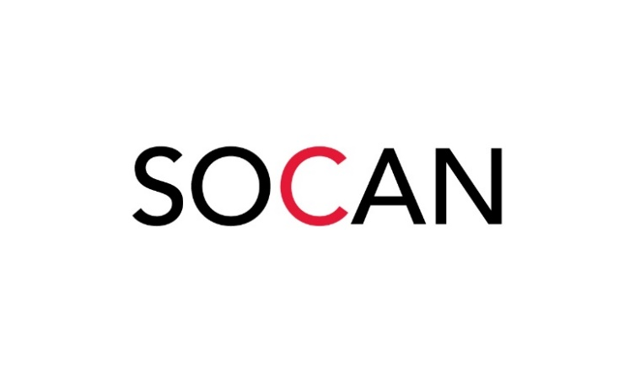 |  |  | TARIFF 22.D.1
 |  |  | Application for licence 2026 |  |  |  |  | Your account number
 |  |  |  |  |  |  |  | BD

Internet – Online Audiovisual Services
In this form, you, your and licensee means the person or company applying for a licence or filing your report. We, our, us and SOCAN means the Society of Composers, Authors and Music Publishers of Canada. Works means any or all of the musical works in SOCAN’s repertoire.
If you are applying for a licence, SOCAN will process your application within 30 days of receipt and contact you in the event that your application is not approved.
This part of Tariff 22 sets the royalties to be paid for the communication to the public by telecommunication of works in SOCAN’s repertoire in connection with the operation of an online audiovisual service and its authorized distributors for the years 2007 to 2013
Please contact us if you have other music uses, as these may be the subject of other SOCAN tariffs. For example, this part of the tariff does not apply to uses covered by other applicable tariffs, including (a) SOCAN tariffs for Online Music Services, i.e., Tariff 22.A as Certified by the Board for the years 1996 to 2010 and Tariff 22.A proposed by SOCAN for the years 2011 to 2013 (other than the transmission of music videos, which are covered by this Tariff); (b) Game sites, i.e., SOCAN Tariff 22.G as Certified by the Board for the years 1996 to 2006, and as proposed by SOCAN in various tariffs for the years 2007 to 2015; and (c) User-Generated Content, i.e, Tariff 22.D.2 as Certified by the Board for the years 2007-2013.
Tell us about yourself

Licensee (Person or company applying for this licence) |  |  |  |  | Mailing address (if different from your company's street address)

Licensee's street address

City |  | Province and postal code |  |  | City |  |  |  | Province and postal code

Phone |  | Fax |  |  | Email address |  |  |  | Website

Licensee's legal name Licensee's legal name |  |  |  |  | President/authorized signing officer of licensee

How to calculate your licence fee
See approved Tariff 22.D.1 rates on the "T22D.1 Calc for free services" tab included in this workbook.

 |  |  |  |  |  | Fee payable (see "E" on calculation form)
 |  |  |  | Add 5% GST (AB, BC, MB, NT, NU, PE, QC, SK, YT)
 |  |  |  | Add 9.975% QST (QC)
 |  |  |  | Add 13% HST (ON, NB, NL), 14% (NS)
 |  |  |  |  |  | Total
 |  |  |  |  |  | Please make cheque payable to SOCAN. Thank you!
FORM MUST BE COMPLETELY FILLED OUT AND SIGNED PRIOR TO SUBMISSION

Terms of this licence
The legal terms that govern your licence include those set out herein as well as the terms found in the approved tariff including the General Provisions, as approved by the Copyright Board for each year (collectively, the tariff). If you have any questions regarding the terms, please contact us at the address and numbers shown at the bottom of this page.

1 | If the tariff for a year has not been approved by January 1st of that year, the last approved tariff will govern until the new version is approved, at which time the licence fees will be adjusted to reflect the approved version for the year. |  |  |  | 5 | Licence fees and report form are due no later than 20 days after the end of each calendar month.
2 | A copy of any tariff may be obtained from SOCAN by calling 1.866.944.6223.

3 | The licence fee, plus applicable taxes, will be calculated in accordance with the terms of the tariff based on the information set out in the most recently filed report form or audit form, subject to adjustment to reflect any updated reports or audits pursuant to the tariff.
4 | You will keep records of all information required to calculate the licence fees.

By signing below, you agree that:
 | you have read, understood, and accept the terms of this licence
 | all information you have provided is correct and complete
 | you have authority to bind the licensee.

Your name (please print) |  |  |  |  | Your title (please print)

Today's date (please print in full) |  |  |  |  | Your signature

We are committed to handling your personal information responsibly. For more information about SOCAN's Privacy Policy, please visit www.socan.com

After you have read, completed, and signed this form, please send it with your cheque to:

SOCAN |  |  |  |  |  |  | Music means business
41 Valleybrook Drive |  |  |  | Toll-free 1.800.557.6226
Toronto, Ontario M3B 2S6
www.socan.com |  |  |  | licence@socan.com

GST #R101077931
QST #1010390466

